Invoice
CALIFOR UPHOLSTERY MATERIALS CO., LTD.
XIN BAVET SEZ, Road No. 316A, Trapeang Bon and Prey Kokir Villages, Prey Kokir Commune, Chantrea District,
Svay Rieng Province, Kingdom of Cambodia.
VAT:L001-901903209
Tel: +855 975910636
INVOICE
 |  |  |  |  | REFNO: | CLF2025-138
EXPORTER: | CALIFOR UPHOLSTERY MATERIALS CO., LTD. |  |  |  | INVOICE NO : | JLFMH25009
 | XIN BAVET SEZ, Road No. 316A, Trapeang Bon and Prey Kokir Villages, |  |  |  | Date: | 20/05/2025
 | Prey Kokir Commune, Chantrea District,Svay Rieng Province, Kingdom of Cambodia . |  |  |  | DAP: | BINH DUONG
 | Tel: +855 975910636 |  |  |  | PAYMENT： | 100% TT after shipment

CONSIGNEE : | Timberland Co.,Ltd
 | Group 2, Binh Chanh Hamlet, Khanh Binh Agency, Tan Uyen City,
 | Binh Duong Province, Vietnam.
 | P+84 989 777 156 Contact: Mai Ca Email:vn01@rm-motion.com,and Vn-custom03@manwahgroup.com
 | Postcode: 820000 TAX ID: 3700762351

SHIP: | BY TRUCK FROM BAVET, SVAY RIENG, CAMBODIA TO BINH DUONG PROVINCE, VIETNAM.
Mark & N° | P.O N° | ITEM N° | Description | Quantity (SF) | Unit Price (USD) | Amount(USD)
VENDOR#: | 6601197009 | 110137020 | LEATHER | 9,823.20 | 1.17
Des: LEATHER | 6601177588 | 110137140 |  | 1,252.40 | 1.17
Case Qty: | 6601205635 | 110137140 |  | 10,000.00 | 1.17
MADE IN CAMBODIA | 6601209888 | 110137140 |  | 943.60 | 1.17
 | 6601168672 | 110137070 |  | 12,119.90 | 1.05
 | 6601177670 | 110145460 |  | 2,955.80 | 1.44
 | 6601177617 | 110140531 |  | 24,311.40 | 1.13
 | 6601190236 | 110137030 |  | 1,265.40 | 1.17
 | 6601190250 | 110137030 |  | 29,660.90 | 1.17
 | TOTAL OF: | 9 PALLETS


Country of Original Cambodia
Manufacture: | CALIFOR UPHOLSTERY MATERIALS CO., LTD. XIN BAVET SEZ, Road No. 316A, Trapeang Bon and Prey Kokir Villages, Prey Kokir Commune, Chantrea District,Svay Rieng Province, Kingdom of Cambodia, Tel: +855 975910636
BENEFICIARY BANK：BANK OF CHINA(HONG KONG)LIMITED PHNOM PENH BRANCH /BANK OF CHINA PHNOM PENH BRANCH
A/C NO:100001100764430
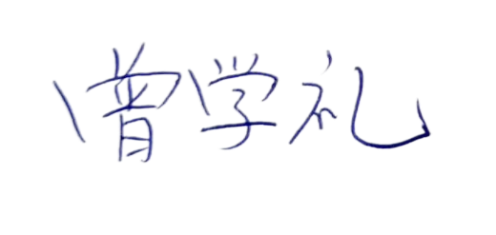
SWIFT CODE ：BKCHKHPPXXX
 |  |  |  |  | CALIFOR UPHOLSTERY MATERIALS CO., LTD.
 |  |  |  |  | Sign & Stamp

 |  |  |  |  | ZENG XUELI

